Month At A Glance
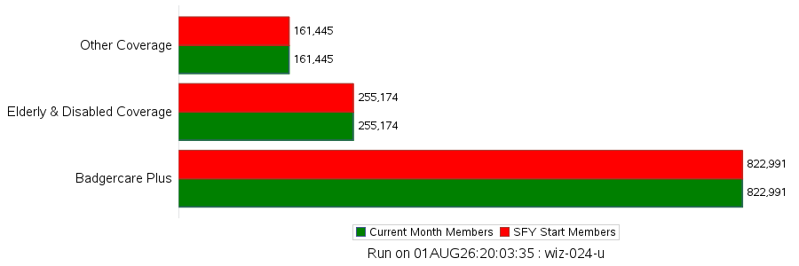

Jul-26

Category | Current Month Members | % Change since Start of SFY | %Change from Last Month
Childless Adults | 191,529 | 0.0% | -0.5%
Children | 456,433 | 0.0% | -0.4%
Express Enroll-Children | 31 | 0.0% | -13.9%
Express Enroll-PW | 78 | 0.0% | 2.6%
Income Extensions | 30,825 | 0.0% | -2.6%
Parents/Caretakers | 122,190 | 0.0% | -0.9%
Pregnant Women | 20,565 | 0.0% | 10.4%
Youths Exiting | 1,340 | 0.0% | -0.7%
Badgercare Plus | 822,991 | 0.0% | -0.3%
Institutionalized | 10,018 | 0.0% | -0.0%
Katie Beckett Program | 13,881 | 0.0% | 0.5%
MAPP | 33,693 | 0.0% | -0.0%
SSI | 110,667 | 0.0% | -0.3%
SSI-Related | 57,458 | 0.0% | -0.1%
Waiver | 29,457 | 0.0% | 1.0%
Elderly & Disabled Coverage | 255,174 | 0.0% | -0.0%
Family Planning Only Services | 34,981 | 0.0% | -0.1%
Foster Care | 7,306 | 0.0% | -0.5%
Medicare Beneficiaries | 17,019 | 0.0% | 0.8%
Miscellaneous | 3,758 | 0.0% | 0.1%
SeniorCare | 88,182 | 0.0% | -0.6%
Subsidized Adoption | 9,829 | 0.0% | -0.1%
TB-Related | 117 | 0.0% | -1.7%
Well Woman MA | 253 | 0.0% | -1.2%
Other Coverage | 161,445 | 0.0% | -0.3%
** Grand Total | 1,239,610 | 0.0% | -0.3%
Note: HCTC program ended 12/31/2013. BadgerCare Plus Basic ended 03/31/2014.

Trend by Coverage
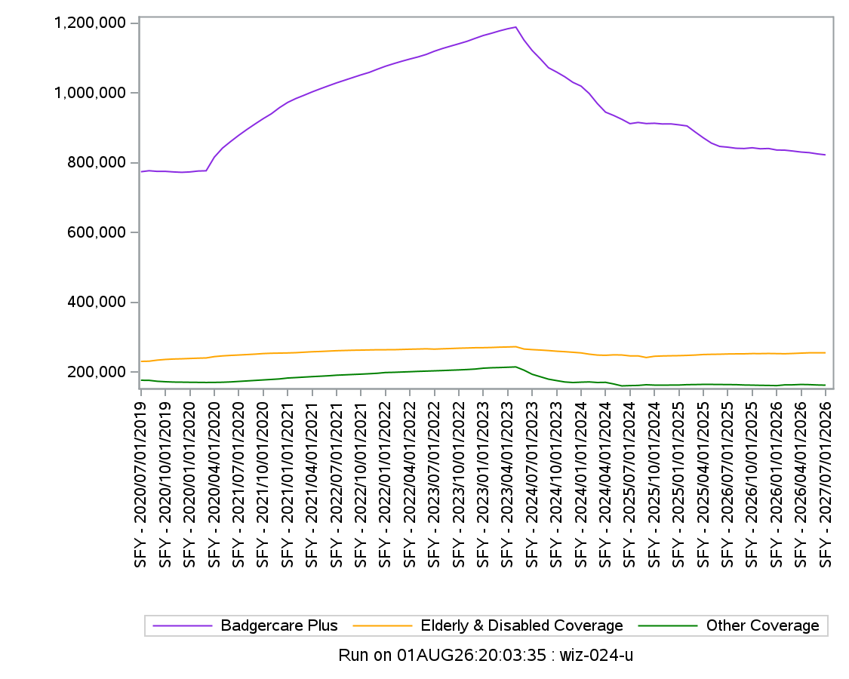

BC + BY PLAN
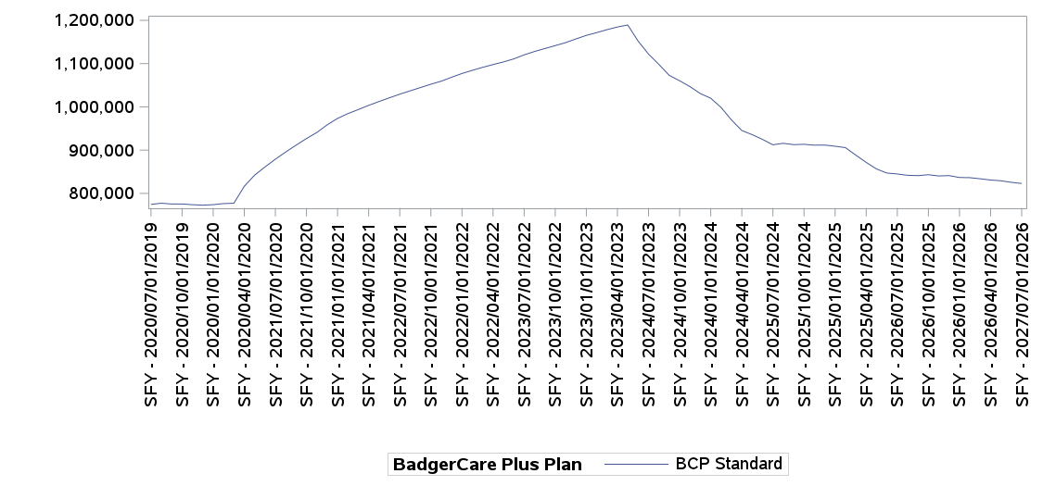

SFY Month-Year |  | BCP Standard |  | Total BCP
2027 | Jul-26 | 822,991 | 100.0% | 822,991
2026 | Jun-26 | 825,723 | 100.0% | 825,723
 | May-26 | 829,341 | 100.0% | 829,341
 | Apr-26 | 831,019 | 100.0% | 831,019
 | Mar-26 | 833,910 | 100.0% | 833,910
 | Feb-26 | 836,453 | 100.0% | 836,453
 | Jan-26 | 836,885 | 100.0% | 836,885
 | Dec-25 | 841,262 | 100.0% | 841,262
 | Nov-25 | 840,385 | 100.0% | 840,385
 | Oct-25 | 843,303 | 100.0% | 843,303
 | Sep-25 | 841,159 | 100.0% | 841,159
 | Aug-25 | 841,909 | 100.0% | 841,909
 | Jul-25 | 845,037 | 100.0% | 845,037
2025 | Jun-25 | 847,187 | 100.0% | 847,187
 | May-25 | 856,597 | 100.0% | 856,597
 | Apr-25 | 871,858 | 100.0% | 871,858
 | Mar-25 | 888,586 | 100.0% | 888,586
 | Feb-25 | 905,915 | 100.0% | 905,915
 | Jan-25 | 909,127 | 100.0% | 909,127
 | Dec-24 | 911,870 | 100.0% | 911,870
 | Nov-24 | 911,587 | 100.0% | 911,587
 | Oct-24 | 913,601 | 100.0% | 913,601
 | Sep-24 | 912,799 | 100.0% | 912,799
 | Aug-24 | 915,929 | 100.0% | 915,929
 | Jul-24 | 912,462 | 100.0% | 912,462
2024 | Jun-24 | 925,002 | 100.0% | 925,002
 | May-24 | 935,948 | 100.0% | 935,948
 | Apr-24 | 945,548 | 100.0% | 945,548
 | Mar-24 | 970,067 | 100.0% | 970,067
 | Feb-24 | 998,913 | 100.0% | 998,913
 | Jan-24 | 1,020,182 | 100.0% | 1,020,182
 | Dec-23 | 1,030,926 | 100.0% | 1,030,926
 | Nov-23 | 1,046,986 | 100.0% | 1,046,986
 | Oct-23 | 1,060,568 | 100.0% | 1,060,568
 | Sep-23 | 1,072,988 | 100.0% | 1,072,988
 | Aug-23 | 1,098,438 | 100.0% | 1,098,438
 | Jul-23 | 1,122,340 | 100.0% | 1,122,340
2023 | Jun-23 | 1,152,181 | 100.0% | 1,152,181
 | May-23 | 1,189,421 | 100.0% | 1,189,421
 | Apr-23 | 1,184,692 | 100.0% | 1,184,692
 | Mar-23 | 1,178,656 | 100.0% | 1,178,656
 | Feb-23 | 1,171,715 | 100.0% | 1,171,715
 | Jan-23 | 1,165,372 | 100.0% | 1,165,372
 | Dec-22 | 1,157,134 | 100.0% | 1,157,134
 | Nov-22 | 1,148,609 | 100.0% | 1,148,609
 | Oct-22 | 1,141,682 | 100.0% | 1,141,682
 | Sep-22 | 1,134,956 | 100.0% | 1,134,956
 | Aug-22 | 1,128,101 | 100.0% | 1,128,101
 | Jul-22 | 1,120,276 | 100.0% | 1,120,276
2022 | Jun-22 | 1,111,045 | 100.0% | 1,111,045
 | May-22 | 1,103,955 | 100.0% | 1,103,955
 | Apr-22 | 1,097,904 | 100.0% | 1,097,904
 | Mar-22 | 1,091,470 | 100.0% | 1,091,470
 | Feb-22 | 1,084,536 | 100.0% | 1,084,536
 | Jan-22 | 1,077,190 | 100.0% | 1,077,190
 | Dec-21 | 1,068,568 | 100.0% | 1,068,568
 | Nov-21 | 1,059,455 | 100.0% | 1,059,455
 | Oct-21 | 1,052,453 | 100.0% | 1,052,453
 | Sep-21 | 1,044,796 | 100.0% | 1,044,796
 | Aug-21 | 1,037,117 | 100.0% | 1,037,117
 | Jul-21 | 1,029,437 | 100.0% | 1,029,437
2021 | Jun-21 | 1,021,031 | 100.0% | 1,021,031
 | May-21 | 1,012,456 | 100.0% | 1,012,456
 | Apr-21 | 1,003,535 | 100.0% | 1,003,535
 | Mar-21 | 993,851 | 100.0% | 993,851
 | Feb-21 | 984,508 | 100.0% | 984,508
 | Jan-21 | 973,393 | 100.0% | 973,393
 | Dec-20 | 958,469 | 100.0% | 958,469
 | Nov-20 | 940,838 | 100.0% | 940,838
 | Oct-20 | 926,825 | 100.0% | 926,825
 | Sep-20 | 911,557 | 100.0% | 911,557
 | Aug-20 | 895,788 | 100.0% | 895,788
 | Jul-20 | 879,093 | 100.0% | 879,093
2020 | Jun-20 | 861,173 | 100.0% | 861,173
 | May-20 | 842,260 | 100.0% | 842,260
 | Apr-20 | 816,343 | 100.0% | 816,343
 | Mar-20 | 777,312 | 100.0% | 777,312
 | Feb-20 | 776,581 | 100.0% | 776,581
 | Jan-20 | 774,027 | 100.0% | 774,027
 | Dec-19 | 772,881 | 100.0% | 772,881
 | Nov-19 | 774,017 | 100.0% | 774,017
 | Oct-19 | 775,641 | 100.0% | 775,641
 | Sep-19 | 775,578 | 100.0% | 775,578
 | Aug-19 | 777,452 | 100.0% | 777,452
 | Jul-19 | 774,575 | 100.0% | 774,575

Pregnant Women
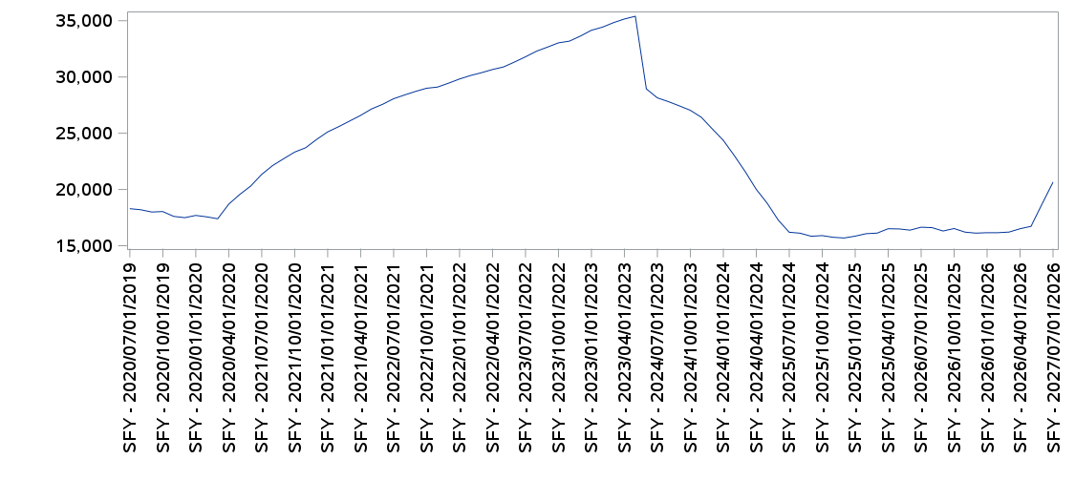

SFY Month-Year |  | Adult Women |  |  |  | Minors |  | Grand Total
 |  | 0-200% | 200-300% | Over 300% | Total | 200-300% | Total
2027 | Jul-26 | 18,892 | 1,717 | 19 | 20,628 | 15 | 15 | 20,643
2026 | Jun-26 | 17,106 | 1,564 | 17 | 18,687 | 15 | 15 | 18,702
 | May-26 | 15,282 | 1,419 | 12 | 16,713 | 16 | 16 | 16,729
 | Apr-26 | 15,085 | 1,398 | 15 | 16,498 | 17 | 17 | 16,515
 | Mar-26 | 14,864 | 1,325 | 13 | 16,202 | 18 | 18 | 16,220
 | Feb-26 | 14,758 | 1,369 | 21 | 16,148 | 17 | 17 | 16,165
 | Jan-26 | 14,750 | 1,380 | 20 | 16,150 | 15 | 15 | 16,165
 | Dec-25 | 14,726 | 1,365 | 19 | 16,110 | 15 | 15 | 16,125
 | Nov-25 | 14,854 | 1,330 | 20 | 16,204 | 11 | 11 | 16,215
 | Oct-25 | 15,198 | 1,306 | 16 | 16,520 | 14 | 14 | 16,534
 | Sep-25 | 15,040 | 1,247 | 13 | 16,300 | 15 | 15 | 16,315
 | Aug-25 | 15,319 | 1,270 | 10 | 16,599 | 13 | 13 | 16,612
 | Jul-25 | 15,357 | 1,275 | 9 | 16,641 | 12 | 12 | 16,653
2025 | Jun-25 | 15,100 | 1,272 | 6 | 16,378 | 13 | 13 | 16,391
 | May-25 | 15,219 | 1,256 | 8 | 16,483 | 16 | 16 | 16,499
 | Apr-25 | 15,267 | 1,228 | 4 | 16,499 | 17 | 17 | 16,516
 | Mar-25 | 14,934 | 1,176 | 1 | 16,111 | 16 | 16 | 16,127
 | Feb-25 | 14,802 | 1,251 | 5 | 16,058 | 19 | 19 | 16,077
 | Jan-25 | 14,596 | 1,239 | 6 | 15,841 | 17 | 17 | 15,858
 | Dec-24 | 14,463 | 1,210 | 6 | 15,679 | 16 | 16 | 15,695
 | Nov-24 | 14,550 | 1,184 | 5 | 15,739 | 16 | 16 | 15,755
 | Oct-24 | 14,723 | 1,158 | 5 | 15,886 | 20 | 20 | 15,906
 | Sep-24 | 14,691 | 1,135 | 6 | 15,832 | 17 | 17 | 15,849
 | Aug-24 | 14,995 | 1,103 | 4 | 16,102 | 17 | 17 | 16,119
 | Jul-24 | 15,093 | 1,093 | 4 | 16,190 | 16 | 16 | 16,206
2024 | Jun-24 | 16,035 | 1,229 | 5 | 17,269 | 21 | 21 | 17,290
 | May-24 | 17,412 | 1,344 | 3 | 18,759 | 21 | 21 | 18,780
 | Apr-24 | 18,545 | 1,455 | 3 | 20,003 | 18 | 18 | 20,021
 | Mar-24 | 19,972 | 1,596 | 7 | 21,575 | 17 | 17 | 21,592
 | Feb-24 | 21,148 | 1,852 | 10 | 23,010 | 14 | 14 | 23,024
 | Jan-24 | 22,389 | 1,969 | 6 | 24,364 | 17 | 17 | 24,381
 | Dec-23 | 23,366 | 2,003 | 8 | 25,377 | 16 | 16 | 25,393
 | Nov-23 | 24,349 | 2,053 | 10 | 26,412 | 17 | 17 | 26,429
 | Oct-23 | 24,968 | 2,054 | 7 | 27,029 | 17 | 17 | 27,046
 | Sep-23 | 25,337 | 2,079 | 7 | 27,423 | 17 | 17 | 27,440
 | Aug-23 | 25,675 | 2,118 | 10 | 27,803 | 16 | 16 | 27,819
 | Jul-23 | 25,977 | 2,148 | 12 | 28,137 | 15 | 15 | 28,152
2023 | Jun-23 | 26,706 | 2,209 | 16 | 28,931 | 17 | 17 | 28,948
 | May-23 | 32,725 | 2,621 | 34 | 35,380 | 23 | 23 | 35,403
 | Apr-23 | 32,521 | 2,583 | 33 | 35,137 | 22 | 22 | 35,159
 | Mar-23 | 32,197 | 2,578 | 36 | 34,811 | 19 | 19 | 34,830
 | Feb-23 | 31,591 | 2,785 | 38 | 34,414 | 19 | 19 | 34,433
 | Jan-23 | 31,336 | 2,763 | 38 | 34,137 | 21 | 21 | 34,158
 | Dec-22 | 30,862 | 2,717 | 40 | 33,619 | 23 | 23 | 33,642
 | Nov-22 | 30,455 | 2,672 | 38 | 33,165 | 26 | 26 | 33,191
 | Oct-22 | 30,351 | 2,626 | 36 | 33,013 | 27 | 27 | 33,040
 | Sep-22 | 30,035 | 2,563 | 32 | 32,630 | 29 | 29 | 32,659
 | Aug-22 | 29,716 | 2,521 | 31 | 32,268 | 26 | 26 | 32,294
 | Jul-22 | 29,248 | 2,491 | 34 | 31,773 | 24 | 24 | 31,797
2022 | Jun-22 | 28,865 | 2,412 | 32 | 31,309 | 24 | 24 | 31,333
 | May-22 | 28,487 | 2,357 | 29 | 30,873 | 22 | 22 | 30,895
 | Apr-22 | 28,316 | 2,305 | 25 | 30,646 | 24 | 24 | 30,670
 | Mar-22 | 28,060 | 2,279 | 23 | 30,362 | 24 | 24 | 30,386
 | Feb-22 | 27,715 | 2,373 | 22 | 30,110 | 26 | 26 | 30,136
 | Jan-22 | 27,451 | 2,327 | 21 | 29,799 | 27 | 27 | 29,826
 | Dec-21 | 27,147 | 2,259 | 21 | 29,427 | 27 | 27 | 29,454
 | Nov-21 | 26,862 | 2,197 | 21 | 29,080 | 29 | 29 | 29,109
 | Oct-21 | 26,823 | 2,132 | 22 | 28,977 | 27 | 27 | 29,004
 | Sep-21 | 26,584 | 2,094 | 19 | 28,697 | 25 | 25 | 28,722
 | Aug-21 | 26,330 | 2,032 | 17 | 28,379 | 28 | 28 | 28,407
 | Jul-21 | 26,022 | 2,003 | 18 | 28,043 | 27 | 27 | 28,070
2021 | Jun-21 | 25,570 | 1,962 | 18 | 27,550 | 26 | 26 | 27,576
 | May-21 | 25,236 | 1,885 | 19 | 27,140 | 25 | 25 | 27,165
 | Apr-21 | 24,746 | 1,805 | 18 | 26,569 | 22 | 22 | 26,591
 | Mar-21 | 24,305 | 1,746 | 15 | 26,066 | 22 | 22 | 26,088
 | Feb-21 | 23,833 | 1,716 | 15 | 25,564 | 22 | 22 | 25,586
 | Jan-21 | 23,432 | 1,656 | 15 | 25,103 | 18 | 18 | 25,121
 | Dec-20 | 22,828 | 1,592 | 17 | 24,437 | 18 | 18 | 24,455
 | Nov-20 | 22,218 | 1,463 | 16 | 23,697 | 18 | 18 | 23,715
 | Oct-20 | 21,924 | 1,371 | 16 | 23,311 | 17 | 17 | 23,328
 | Sep-20 | 21,426 | 1,281 | 15 | 22,722 | 19 | 19 | 22,741
 | Aug-20 | 20,884 | 1,221 | 12 | 22,117 | 18 | 18 | 22,135
 | Jul-20 | 20,173 | 1,149 | 10 | 21,332 | 12 | 12 | 21,344
2020 | Jun-20 | 19,199 | 1,086 | 10 | 20,295 | 13 | 13 | 20,308
 | May-20 | 18,494 | 1,045 | 10 | 19,549 | 11 | 11 | 19,560
 | Apr-20 | 17,654 | 1,027 | 9 | 18,690 | 9 | 9 | 18,699
 | Mar-20 | 16,424 | 961 | 8 | 17,393 | 9 | 9 | 17,402
 | Feb-20 | 16,603 | 953 | 7 | 17,563 | 11 | 11 | 17,574
 | Jan-20 | 16,734 | 950 | 6 | 17,690 | 10 | 10 | 17,700
 | Dec-19 | 16,561 | 925 | 5 | 17,491 | 9 | 9 | 17,500
 | Nov-19 | 16,709 | 891 | 4 | 17,604 | 10 | 10 | 17,614
 | Oct-19 | 17,165 | 865 | 3 | 18,033 | 10 | 10 | 18,043
 | Sep-19 | 17,115 | 871 | 5 | 17,991 | 11 | 11 | 18,002
 | Aug-19 | 17,322 | 866 | 6 | 18,194 | 10 | 10 | 18,204
 | Jul-19 | 17,438 | 845 | 6 | 18,289 | 12 | 12 | 18,301

Children by Age Group
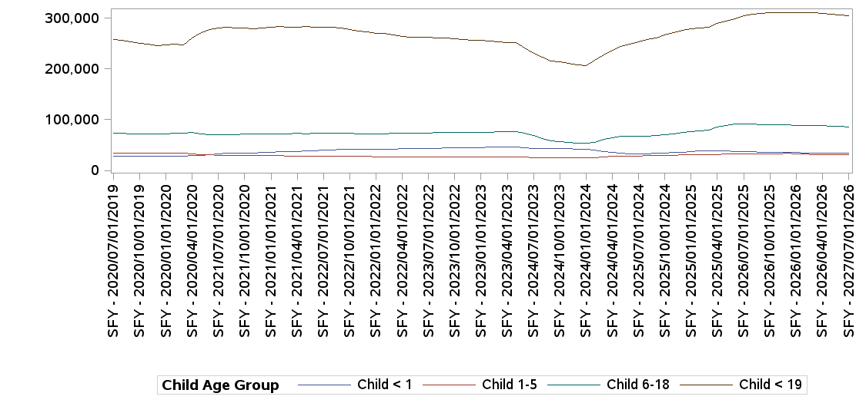

SFY Month-Year |  | Child < 1 | Child 1-5 | Child 6-18 | Child < 19 | Grand Total
2027 | Jul-26 | 33,398 | 31,595 | 86,193 | 305,247 | 456,433
2026 | Jun-26 | 33,601 | 31,783 | 86,660 | 306,255 | 458,299
 | May-26 | 34,090 | 31,789 | 87,262 | 308,040 | 461,181
 | Apr-26 | 34,107 | 31,645 | 88,256 | 308,436 | 462,444
 | Mar-26 | 34,234 | 31,455 | 88,703 | 310,608 | 465,000
 | Feb-26 | 34,770 | 32,916 | 88,818 | 310,669 | 467,173
 | Jan-26 | 35,045 | 33,099 | 89,001 | 310,580 | 467,725
 | Dec-25 | 35,334 | 33,404 | 89,555 | 310,466 | 468,759
 | Nov-25 | 35,555 | 33,293 | 89,837 | 310,656 | 469,341
 | Oct-25 | 35,962 | 33,142 | 90,682 | 310,129 | 469,915
 | Sep-25 | 36,016 | 33,164 | 90,650 | 309,012 | 468,842
 | Aug-25 | 36,444 | 33,064 | 91,213 | 307,714 | 468,435
 | Jul-25 | 37,179 | 32,914 | 92,109 | 304,718 | 466,920
2025 | Jun-25 | 37,383 | 32,681 | 90,936 | 299,231 | 460,231
 | May-25 | 38,301 | 32,093 | 88,573 | 294,075 | 453,042
 | Apr-25 | 38,781 | 31,239 | 84,811 | 289,486 | 444,317
 | Mar-25 | 38,150 | 30,872 | 80,211 | 281,979 | 431,212
 | Feb-25 | 37,955 | 31,357 | 77,232 | 279,960 | 426,504
 | Jan-25 | 37,151 | 31,218 | 76,342 | 279,337 | 424,048
 | Dec-24 | 36,261 | 30,759 | 74,358 | 275,190 | 416,568
 | Nov-24 | 35,539 | 30,157 | 72,414 | 271,545 | 409,655
 | Oct-24 | 34,596 | 29,792 | 70,432 | 267,064 | 401,884
 | Sep-24 | 34,098 | 29,465 | 68,554 | 261,432 | 393,549
 | Aug-24 | 33,365 | 29,109 | 67,968 | 258,069 | 388,511
 | Jul-24 | 32,223 | 28,808 | 67,607 | 252,868 | 381,506
2024 | Jun-24 | 32,788 | 28,676 | 67,514 | 248,394 | 377,372
 | May-24 | 33,901 | 28,305 | 66,955 | 244,503 | 373,664
 | Apr-24 | 35,018 | 27,525 | 65,038 | 237,206 | 364,787
 | Mar-24 | 37,759 | 26,372 | 60,903 | 227,974 | 353,008
 | Feb-24 | 39,667 | 25,674 | 55,566 | 216,329 | 337,236
 | Jan-24 | 41,247 | 24,463 | 53,162 | 206,559 | 325,431
 | Dec-23 | 41,832 | 24,517 | 54,033 | 207,372 | 327,754
 | Nov-23 | 42,517 | 24,741 | 55,599 | 210,653 | 333,510
 | Oct-23 | 43,050 | 24,820 | 57,477 | 213,467 | 338,814
 | Sep-23 | 43,092 | 24,916 | 58,899 | 215,853 | 342,760
 | Aug-23 | 43,666 | 25,262 | 62,726 | 222,483 | 354,137
 | Jul-23 | 43,822 | 25,791 | 68,245 | 230,481 | 368,339
2023 | Jun-23 | 44,351 | 26,443 | 73,616 | 241,023 | 385,433
 | May-23 | 46,354 | 26,915 | 76,761 | 251,975 | 402,005
 | Apr-23 | 46,153 | 26,794 | 77,143 | 252,418 | 402,508
 | Mar-23 | 45,749 | 26,870 | 76,837 | 253,161 | 402,617
 | Feb-23 | 45,535 | 26,981 | 75,374 | 254,976 | 402,866
 | Jan-23 | 45,337 | 27,129 | 75,373 | 255,550 | 403,389
 | Dec-22 | 44,878 | 27,129 | 75,105 | 256,235 | 403,347
 | Nov-22 | 44,523 | 27,130 | 74,799 | 257,484 | 403,936
 | Oct-22 | 44,337 | 27,078 | 74,652 | 259,147 | 405,214
 | Sep-22 | 44,109 | 27,147 | 74,433 | 260,224 | 405,913
 | Aug-22 | 43,876 | 27,142 | 74,269 | 261,263 | 406,550
 | Jul-22 | 43,458 | 27,213 | 74,017 | 261,555 | 406,243
2022 | Jun-22 | 43,056 | 27,197 | 73,775 | 261,907 | 405,935
 | May-22 | 42,763 | 27,198 | 73,694 | 262,946 | 406,601
 | Apr-22 | 42,576 | 27,048 | 73,447 | 264,329 | 407,400
 | Mar-22 | 42,390 | 26,920 | 73,358 | 266,544 | 409,212
 | Feb-22 | 42,253 | 26,939 | 72,001 | 269,253 | 410,446
 | Jan-22 | 42,054 | 27,136 | 72,009 | 270,444 | 411,643
 | Dec-21 | 41,665 | 27,430 | 72,076 | 272,121 | 413,292
 | Nov-21 | 41,326 | 27,501 | 72,264 | 274,226 | 415,317
 | Oct-21 | 41,328 | 27,764 | 73,048 | 277,504 | 419,644
 | Sep-21 | 40,984 | 28,142 | 73,293 | 280,270 | 422,689
 | Aug-21 | 40,426 | 28,369 | 73,186 | 281,328 | 423,309
 | Jul-21 | 39,823 | 28,491 | 72,936 | 281,984 | 423,234
2021 | Jun-21 | 39,078 | 28,575 | 72,822 | 282,224 | 422,699
 | May-21 | 38,437 | 28,640 | 72,617 | 282,720 | 422,414
 | Apr-21 | 37,637 | 28,715 | 72,698 | 282,389 | 421,439
 | Mar-21 | 36,908 | 28,678 | 72,576 | 282,676 | 420,838
 | Feb-21 | 36,475 | 29,066 | 72,232 | 282,906 | 420,679
 | Jan-21 | 36,386 | 29,274 | 72,305 | 281,776 | 419,741
 | Dec-20 | 35,614 | 29,538 | 72,041 | 280,622 | 417,815
 | Nov-20 | 34,751 | 29,685 | 71,735 | 279,236 | 415,407
 | Oct-20 | 34,534 | 29,790 | 71,397 | 280,405 | 416,126
 | Sep-20 | 34,042 | 30,004 | 70,843 | 281,186 | 416,075
 | Aug-20 | 33,588 | 30,053 | 70,733 | 281,196 | 415,570
 | Jul-20 | 32,633 | 29,967 | 70,519 | 280,703 | 413,822
2020 | Jun-20 | 31,192 | 30,677 | 69,981 | 277,685 | 409,535
 | May-20 | 30,060 | 31,810 | 72,060 | 270,776 | 404,706
 | Apr-20 | 29,262 | 32,805 | 74,541 | 260,316 | 396,924
 | Mar-20 | 27,992 | 34,033 | 73,752 | 247,924 | 383,701
 | Feb-20 | 28,029 | 33,907 | 72,977 | 248,701 | 383,614
 | Jan-20 | 28,274 | 33,800 | 72,229 | 247,393 | 381,696
 | Dec-19 | 28,156 | 33,768 | 71,833 | 246,224 | 379,981
 | Nov-19 | 28,346 | 33,574 | 71,582 | 248,037 | 381,539
 | Oct-19 | 28,737 | 33,463 | 71,748 | 250,543 | 384,491
 | Sep-19 | 28,520 | 33,580 | 71,986 | 253,707 | 387,793
 | Aug-19 | 28,765 | 33,877 | 72,876 | 256,232 | 391,750
 | Jul-19 | 28,573 | 33,877 | 73,325 | 257,563 | 393,338

Children by FPL
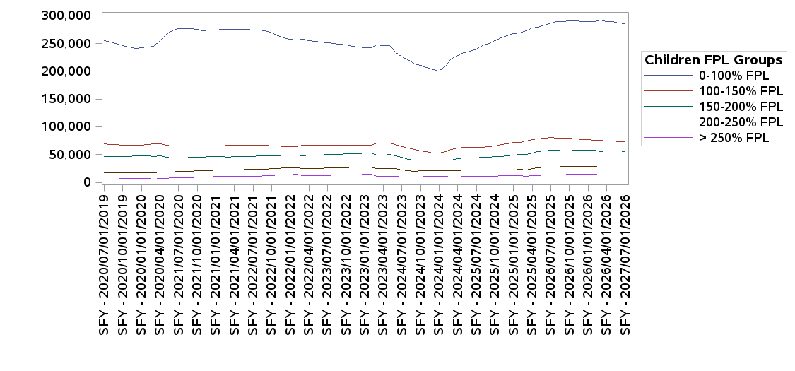

SFY Month-Year |  | 0-100% FPL | 100-150% FPL | 150-200% FPL | 200-250% FPL | > 250% FPL | Grand Total
2027 | Jul-26 | 285,639 | 73,241 | 55,878 | 27,834 | 13,841 | 456,433
2026 | Jun-26 | 286,968 | 73,594 | 56,265 | 27,929 | 13,543 | 458,299
 | May-26 | 289,408 | 74,143 | 56,432 | 27,882 | 13,316 | 461,181
 | Apr-26 | 290,004 | 74,965 | 56,535 | 27,829 | 13,111 | 462,444
 | Mar-26 | 292,402 | 75,961 | 55,917 | 27,805 | 12,915 | 465,000
 | Feb-26 | 289,668 | 76,001 | 57,932 | 28,728 | 14,844 | 467,173
 | Jan-26 | 289,664 | 76,757 | 57,780 | 28,627 | 14,897 | 467,725
 | Dec-25 | 289,864 | 77,641 | 57,830 | 28,625 | 14,799 | 468,759
 | Nov-25 | 290,773 | 78,206 | 57,525 | 28,418 | 14,419 | 469,341
 | Oct-25 | 290,924 | 79,251 | 57,282 | 28,219 | 14,239 | 469,915
 | Sep-25 | 290,285 | 79,357 | 57,221 | 28,036 | 13,943 | 468,842
 | Aug-25 | 289,611 | 79,623 | 57,463 | 27,868 | 13,870 | 468,435
 | Jul-25 | 287,287 | 80,679 | 57,446 | 27,783 | 13,725 | 466,920
2025 | Jun-25 | 282,835 | 80,089 | 56,823 | 27,113 | 13,371 | 460,231
 | May-25 | 279,978 | 78,886 | 55,438 | 26,006 | 12,734 | 453,042
 | Apr-25 | 277,911 | 76,645 | 53,239 | 24,774 | 11,748 | 444,317
 | Mar-25 | 273,046 | 74,562 | 50,136 | 22,823 | 10,645 | 431,212
 | Feb-25 | 269,118 | 72,268 | 50,044 | 22,996 | 12,078 | 426,504
 | Jan-25 | 268,042 | 71,861 | 49,242 | 22,876 | 12,027 | 424,048
 | Dec-24 | 263,917 | 70,049 | 48,125 | 22,686 | 11,791 | 416,568
 | Nov-24 | 260,328 | 68,302 | 46,990 | 22,462 | 11,573 | 409,655
 | Oct-24 | 255,717 | 66,181 | 46,276 | 22,328 | 11,382 | 401,884
 | Sep-24 | 250,397 | 64,512 | 45,345 | 22,122 | 11,173 | 393,549
 | Aug-24 | 246,689 | 63,619 | 44,890 | 22,219 | 11,094 | 388,511
 | Jul-24 | 240,703 | 63,159 | 44,354 | 22,199 | 11,091 | 381,506
2024 | Jun-24 | 236,707 | 63,399 | 43,974 | 22,347 | 10,945 | 377,372
 | May-24 | 233,645 | 63,201 | 43,600 | 22,363 | 10,855 | 373,664
 | Apr-24 | 228,601 | 62,309 | 42,361 | 21,420 | 10,096 | 364,787
 | Mar-24 | 222,626 | 59,805 | 40,763 | 20,496 | 9,318 | 353,008
 | Feb-24 | 209,146 | 55,023 | 40,576 | 21,326 | 11,165 | 337,236
 | Jan-24 | 200,438 | 52,311 | 40,287 | 21,262 | 11,133 | 325,431
 | Dec-23 | 202,565 | 53,469 | 40,292 | 20,850 | 10,578 | 327,754
 | Nov-23 | 206,760 | 55,164 | 40,637 | 20,710 | 10,239 | 333,510
 | Oct-23 | 210,604 | 57,136 | 40,647 | 20,641 | 9,786 | 338,814
 | Sep-23 | 213,819 | 58,648 | 40,580 | 20,324 | 9,389 | 342,760
 | Aug-23 | 220,384 | 61,799 | 41,744 | 21,013 | 9,197 | 354,137
 | Jul-23 | 226,361 | 64,727 | 44,938 | 22,706 | 9,607 | 368,339
2023 | Jun-23 | 234,935 | 67,528 | 48,317 | 24,388 | 10,265 | 385,433
 | May-23 | 246,014 | 70,280 | 49,736 | 25,267 | 10,708 | 402,005
 | Apr-23 | 246,681 | 70,536 | 49,638 | 25,103 | 10,550 | 402,508
 | Mar-23 | 247,466 | 70,290 | 49,454 | 25,053 | 10,354 | 402,617
 | Feb-23 | 242,150 | 66,383 | 52,472 | 27,666 | 14,195 | 402,866
 | Jan-23 | 242,887 | 66,527 | 52,377 | 27,563 | 14,035 | 403,389
 | Dec-22 | 244,066 | 66,440 | 51,994 | 27,108 | 13,739 | 403,347
 | Nov-22 | 245,708 | 66,503 | 51,453 | 26,805 | 13,467 | 403,936
 | Oct-22 | 247,862 | 66,503 | 51,013 | 26,583 | 13,253 | 405,214
 | Sep-22 | 249,360 | 66,483 | 50,713 | 26,340 | 13,017 | 405,913
 | Aug-22 | 250,916 | 66,611 | 50,153 | 26,064 | 12,806 | 406,550
 | Jul-22 | 251,554 | 66,500 | 49,895 | 25,694 | 12,600 | 406,243
2022 | Jun-22 | 252,231 | 66,377 | 49,461 | 25,440 | 12,426 | 405,935
 | May-22 | 253,615 | 66,454 | 49,076 | 25,185 | 12,271 | 406,601
 | Apr-22 | 255,420 | 66,366 | 48,522 | 25,007 | 12,085 | 407,400
 | Mar-22 | 258,136 | 66,348 | 48,025 | 24,838 | 11,865 | 409,212
 | Feb-22 | 256,534 | 63,949 | 49,133 | 26,663 | 14,167 | 410,446
 | Jan-22 | 257,991 | 64,195 | 48,994 | 26,489 | 13,974 | 411,643
 | Dec-21 | 260,625 | 64,619 | 48,681 | 25,939 | 13,428 | 413,292
 | Nov-21 | 263,739 | 65,122 | 48,149 | 25,282 | 13,025 | 415,317
 | Oct-21 | 268,958 | 66,225 | 47,792 | 24,435 | 12,234 | 419,644
 | Sep-21 | 272,872 | 66,781 | 47,475 | 24,008 | 11,553 | 422,689
 | Aug-21 | 274,211 | 66,815 | 47,209 | 23,654 | 11,420 | 423,309
 | Jul-21 | 274,915 | 66,716 | 46,856 | 23,469 | 11,278 | 423,234
2021 | Jun-21 | 275,178 | 66,719 | 46,562 | 23,186 | 11,054 | 422,699
 | May-21 | 275,946 | 66,506 | 46,296 | 22,797 | 10,869 | 422,414
 | Apr-21 | 275,698 | 66,570 | 46,022 | 22,501 | 10,648 | 421,439
 | Mar-21 | 275,962 | 66,343 | 45,817 | 22,307 | 10,409 | 420,838
 | Feb-21 | 275,308 | 65,731 | 46,345 | 22,447 | 10,848 | 420,679
 | Jan-21 | 274,845 | 65,972 | 46,289 | 22,119 | 10,516 | 419,741
 | Dec-20 | 274,072 | 66,035 | 46,112 | 21,543 | 10,053 | 417,815
 | Nov-20 | 273,270 | 65,977 | 45,778 | 20,937 | 9,445 | 415,407
 | Oct-20 | 275,214 | 65,860 | 45,429 | 20,431 | 9,192 | 416,126
 | Sep-20 | 276,512 | 65,562 | 44,997 | 20,076 | 8,928 | 416,075
 | Aug-20 | 277,153 | 65,636 | 44,485 | 19,614 | 8,682 | 415,570
 | Jul-20 | 276,416 | 65,512 | 43,922 | 19,450 | 8,522 | 413,822
2020 | Jun-20 | 273,170 | 65,363 | 43,884 | 18,880 | 8,238 | 409,535
 | May-20 | 267,269 | 66,477 | 45,838 | 18,134 | 6,988 | 404,706
 | Apr-20 | 255,882 | 68,828 | 47,229 | 18,267 | 6,718 | 396,924
 | Mar-20 | 244,576 | 69,243 | 47,053 | 16,935 | 5,894 | 383,701
 | Feb-20 | 244,019 | 67,681 | 47,752 | 17,467 | 6,695 | 383,614
 | Jan-20 | 242,711 | 67,242 | 47,487 | 17,549 | 6,707 | 381,696
 | Dec-19 | 241,791 | 66,834 | 47,355 | 17,299 | 6,702 | 379,981
 | Nov-19 | 243,879 | 66,811 | 46,938 | 17,268 | 6,643 | 381,539
 | Oct-19 | 246,972 | 67,247 | 46,635 | 17,065 | 6,572 | 384,491
 | Sep-19 | 250,438 | 67,610 | 46,483 | 16,885 | 6,377 | 387,793
 | Aug-19 | 253,411 | 68,516 | 46,837 | 16,710 | 6,276 | 391,750
 | Jul-19 | 254,816 | 68,856 | 46,868 | 16,586 | 6,212 | 393,338

Parents & Caretakers FPL
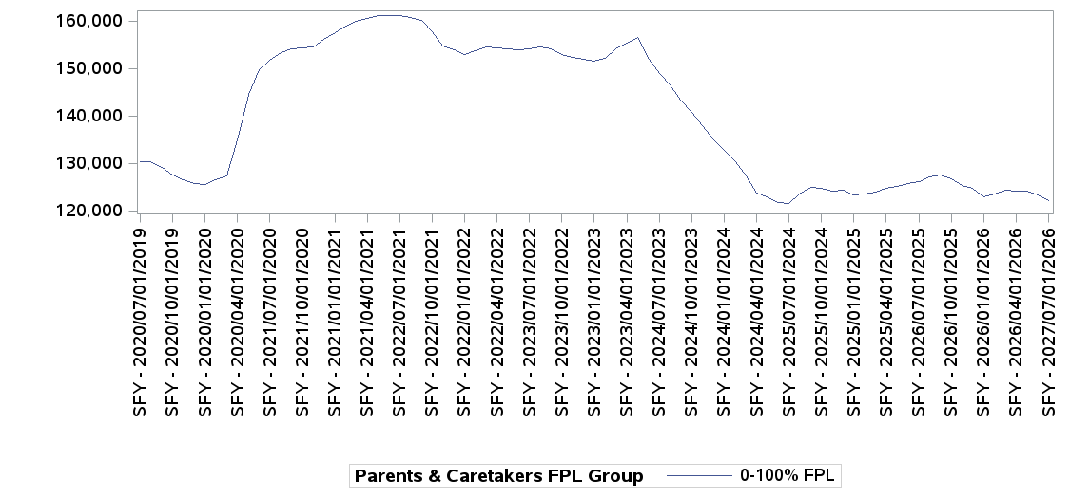

SFY Month-Year |  | 0-100% FPL | Grand Total
2027 | Jul-26 | 122,190 | 122,190
2026 | Jun-26 | 123,297 | 123,297
 | May-26 | 124,031 | 124,031
 | Apr-26 | 124,022 | 124,022
 | Mar-26 | 124,339 | 124,339
 | Feb-26 | 123,444 | 123,444
 | Jan-26 | 122,985 | 122,985
 | Dec-25 | 124,784 | 124,784
 | Nov-25 | 125,348 | 125,348
 | Oct-25 | 126,671 | 126,671
 | Sep-25 | 127,436 | 127,436
 | Aug-25 | 127,187 | 127,187
 | Jul-25 | 126,141 | 126,141
2025 | Jun-25 | 125,691 | 125,691
 | May-25 | 125,132 | 125,132
 | Apr-25 | 124,702 | 124,702
 | Mar-25 | 124,004 | 124,004
 | Feb-25 | 123,446 | 123,446
 | Jan-25 | 123,255 | 123,255
 | Dec-24 | 124,369 | 124,369
 | Nov-24 | 124,167 | 124,167
 | Oct-24 | 124,658 | 124,658
 | Sep-24 | 124,827 | 124,827
 | Aug-24 | 123,548 | 123,548
 | Jul-24 | 121,461 | 121,461
2024 | Jun-24 | 121,679 | 121,679
 | May-24 | 122,938 | 122,938
 | Apr-24 | 123,725 | 123,725
 | Mar-24 | 127,320 | 127,320
 | Feb-24 | 130,535 | 130,535
 | Jan-24 | 132,629 | 132,629
 | Dec-23 | 135,011 | 135,011
 | Nov-23 | 137,931 | 137,931
 | Oct-23 | 140,735 | 140,735
 | Sep-23 | 143,261 | 143,261
 | Aug-23 | 146,516 | 146,516
 | Jul-23 | 148,825 | 148,825
2023 | Jun-23 | 152,138 | 152,138
 | May-23 | 156,524 | 156,524
 | Apr-23 | 155,290 | 155,290
 | Mar-23 | 154,111 | 154,111
 | Feb-23 | 152,029 | 152,029
 | Jan-23 | 151,573 | 151,573
 | Dec-22 | 151,834 | 151,834
 | Nov-22 | 152,246 | 152,246
 | Oct-22 | 152,983 | 152,983
 | Sep-22 | 154,072 | 154,072
 | Aug-22 | 154,560 | 154,560
 | Jul-22 | 154,142 | 154,142
2022 | Jun-22 | 153,996 | 153,996
 | May-22 | 154,121 | 154,121
 | Apr-22 | 154,271 | 154,271
 | Mar-22 | 154,561 | 154,561
 | Feb-22 | 153,805 | 153,805
 | Jan-22 | 152,865 | 152,865
 | Dec-21 | 153,863 | 153,863
 | Nov-21 | 154,787 | 154,787
 | Oct-21 | 157,675 | 157,675
 | Sep-21 | 160,171 | 160,171
 | Aug-21 | 160,796 | 160,796
 | Jul-21 | 161,037 | 161,037
2021 | Jun-21 | 161,116 | 161,116
 | May-21 | 161,113 | 161,113
 | Apr-21 | 160,579 | 160,579
 | Mar-21 | 159,869 | 159,869
 | Feb-21 | 158,975 | 158,975
 | Jan-21 | 157,543 | 157,543
 | Dec-20 | 156,077 | 156,077
 | Nov-20 | 154,564 | 154,564
 | Oct-20 | 154,278 | 154,278
 | Sep-20 | 154,024 | 154,024
 | Aug-20 | 153,316 | 153,316
 | Jul-20 | 151,776 | 151,776
2020 | Jun-20 | 149,690 | 149,690
 | May-20 | 144,490 | 144,490
 | Apr-20 | 134,933 | 134,933
 | Mar-20 | 127,262 | 127,262
 | Feb-20 | 126,485 | 126,485
 | Jan-20 | 125,601 | 125,601
 | Dec-19 | 125,722 | 125,722
 | Nov-19 | 126,492 | 126,492
 | Oct-19 | 127,521 | 127,521
 | Sep-19 | 129,125 | 129,125
 | Aug-19 | 130,381 | 130,381
 | Jul-19 | 130,246 | 130,246

Extensions
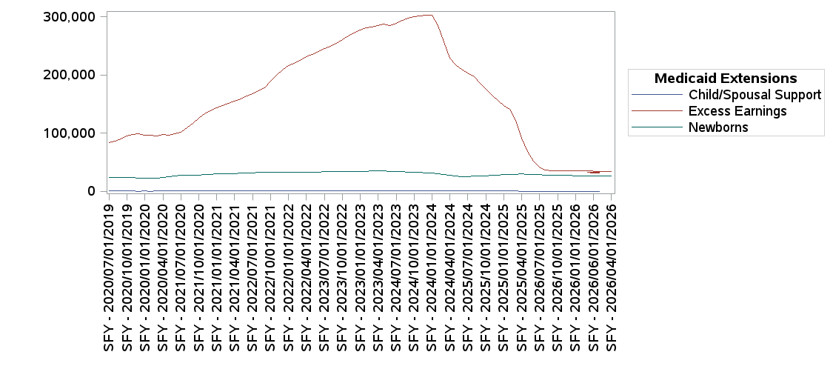

SFY Month-Year |  | Newborns | Excess Earnings | Child/Spousal Support | All Extensions
2027 | Jul-26 | 25,727 | 30,796 | 4 | 56,527
2026 | Jun-26 | 25,873 | 31,607 | 3 | 57,483
 | May-26 | 26,211 | 32,864 | 1 | 59,076
 | Apr-26 | 26,226 | 33,373 | 0 | 59,599
 | Mar-26 | 26,278 | 33,710 | 0 | 59,988
 | Feb-26 | 26,345 | 34,754 | 1 | 61,100
 | Jan-26 | 26,497 | 35,127 | 1 | 61,625
 | Dec-25 | 26,778 | 34,953 | 1 | 61,732
 | Nov-25 | 26,933 | 34,823 | 1 | 61,757
 | Oct-25 | 27,330 | 34,858 | 1 | 62,189
 | Sep-25 | 27,402 | 34,653 | 1 | 62,056
 | Aug-25 | 27,830 | 35,973 | 1 | 63,804
 | Jul-25 | 28,446 | 41,547 | 1 | 69,994
2025 | Jun-25 | 28,496 | 51,531 | 3 | 80,030
 | May-25 | 29,236 | 68,196 | 4 | 97,436
 | Apr-25 | 29,637 | 90,573 | 8 | 120,218
 | Mar-25 | 29,197 | 121,999 | 14 | 151,210
 | Feb-25 | 28,780 | 140,627 | 19 | 169,426
 | Jan-25 | 28,092 | 146,759 | 20 | 174,871
 | Dec-24 | 27,589 | 156,339 | 20 | 183,948
 | Nov-24 | 27,082 | 165,579 | 21 | 192,682
 | Oct-24 | 26,454 | 175,725 | 20 | 202,199
 | Sep-24 | 26,246 | 185,409 | 20 | 211,675
 | Aug-24 | 25,776 | 196,335 | 23 | 222,134
 | Jul-24 | 24,916 | 203,258 | 24 | 228,198
2024 | Jun-24 | 25,452 | 209,692 | 24 | 235,168
 | May-24 | 26,354 | 217,700 | 29 | 244,083
 | Apr-24 | 27,201 | 229,071 | 36 | 256,308
 | Mar-24 | 29,231 | 256,164 | 42 | 285,437
 | Feb-24 | 30,196 | 284,705 | 57 | 314,958
 | Jan-24 | 31,321 | 302,699 | 64 | 334,084
 | Dec-23 | 31,768 | 302,490 | 64 | 334,322
 | Nov-23 | 32,270 | 301,362 | 62 | 333,694
 | Oct-23 | 32,819 | 299,527 | 62 | 332,408
 | Sep-23 | 32,929 | 297,060 | 62 | 330,051
 | Aug-23 | 33,366 | 293,324 | 60 | 326,750
 | Jul-23 | 33,467 | 289,030 | 60 | 322,557
2023 | Jun-23 | 33,921 | 285,239 | 60 | 319,220
 | May-23 | 35,423 | 287,241 | 62 | 322,726
 | Apr-23 | 35,337 | 285,340 | 62 | 320,739
 | Mar-23 | 35,101 | 282,858 | 62 | 318,021
 | Feb-23 | 34,099 | 280,805 | 61 | 314,965
 | Jan-23 | 33,952 | 277,004 | 61 | 311,017
 | Dec-22 | 33,711 | 272,034 | 61 | 305,806
 | Nov-22 | 33,506 | 266,435 | 61 | 300,002
 | Oct-22 | 33,535 | 260,484 | 62 | 294,081
 | Sep-22 | 33,426 | 254,724 | 62 | 288,212
 | Aug-22 | 33,464 | 249,547 | 62 | 283,073
 | Jul-22 | 33,214 | 245,440 | 62 | 278,716
2022 | Jun-22 | 33,029 | 240,410 | 63 | 273,502
 | May-22 | 32,970 | 235,554 | 64 | 268,588
 | Apr-22 | 32,963 | 230,783 | 64 | 263,810
 | Mar-22 | 33,030 | 224,755 | 65 | 257,850
 | Feb-22 | 32,609 | 220,304 | 62 | 252,975
 | Jan-22 | 32,558 | 215,533 | 61 | 248,152
 | Dec-21 | 32,408 | 208,014 | 62 | 240,484
 | Nov-21 | 32,326 | 200,061 | 59 | 232,446
 | Oct-21 | 32,574 | 188,704 | 60 | 221,338
 | Sep-21 | 32,538 | 178,408 | 58 | 211,004
 | Aug-21 | 32,246 | 172,575 | 60 | 204,881
 | Jul-21 | 31,827 | 167,804 | 57 | 199,688
2021 | Jun-21 | 31,292 | 163,648 | 50 | 194,990
 | May-21 | 30,879 | 158,915 | 46 | 189,840
 | Apr-21 | 30,362 | 155,483 | 43 | 185,888
 | Mar-21 | 29,821 | 151,095 | 45 | 180,961
 | Feb-21 | 29,428 | 147,027 | 42 | 176,497
 | Jan-21 | 29,457 | 143,214 | 35 | 172,706
 | Dec-20 | 28,747 | 138,404 | 35 | 167,186
 | Nov-20 | 28,083 | 133,276 | 34 | 161,393
 | Oct-20 | 28,023 | 125,167 | 32 | 153,222
 | Sep-20 | 27,772 | 116,783 | 28 | 144,583
 | Aug-20 | 27,550 | 108,607 | 25 | 136,182
 | Jul-20 | 26,903 | 101,856 | 21 | 128,780
2020 | Jun-20 | 25,676 | 98,247 | 19 | 123,942
 | May-20 | 24,718 | 96,524 | 20 | 121,262
 | Apr-20 | 23,878 | 97,727 | 17 | 121,622
 | Mar-20 | 22,736 | 94,851 | 14 | 117,601
 | Feb-20 | 22,712 | 95,728 | 10 | 118,450
 | Jan-20 | 22,842 | 96,861 | 14 | 119,717
 | Dec-19 | 22,778 | 98,659 | 8 | 121,445
 | Nov-19 | 22,977 | 97,874 | 19 | 120,870
 | Oct-19 | 23,319 | 94,948 | 17 | 118,284
 | Sep-19 | 23,219 | 90,018 | 19 | 113,256
 | Aug-19 | 23,414 | 85,973 | 20 | 109,407
 | Jul-19 | 23,225 | 82,868 | 15 | 106,108

